Judges score
 |  | AMERICAN COWBOYS RODEO ASSOCIATION
 |  | PO Box 1
 |  | Siloam Spring, AR 72761
 |  | 479-238-3865
JUDGES SHEET - OFFICIAL MEASUREMENTS

RODEO | Mounds, OK |  |  | DATE | 1/10/26

Steer Wrestling Barrier
Tie Down Barrier
Breakaway Barrier
Team Roping Barrier
Steer Roping Barrier

Barrel Racing Pattern Measurements

Feet from Fence |  | Score line to 1st barrel

Score line to Fence |  | Feet from 1st barrel to 2nd barrel

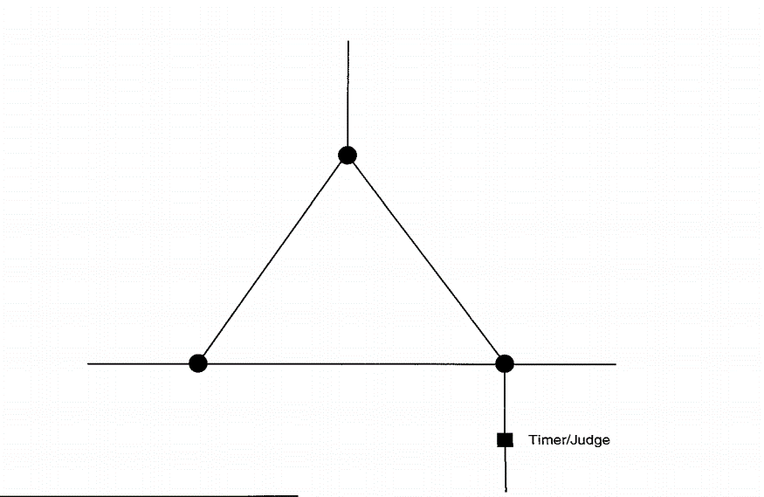

Judges Signaure |  |  | Judges Signature

